Problem Statement Breakdown
Problem Statement feels like a Holistic Targeting excercise where the goal is to use both direct and indirect influence to target a particular "Ecosystem" of HCPs
1 | PCPs and Peds assessment: Identify relevant PCPs and Peds based on prescribing volume, call activity and geographic distance from Derm practice setting
 | Initial HCP Universe ~500K HCPs |  |  |  | -Nishant

2 | Valuation and prioritization: Run a HCP valuation framework to better assess the large PCP and PED universe and inform initial prioritization
 | Priortized General Practitioners list ~100 - 150 K HCPs |  |  |  |  |  | -Nishant

3 | Understand true real-world patient flow across referral pathways |  |  |  |  |  |  |  | Any existing understanding around referrals in ZORYVE market?
 | Identify Patient Cohort
 | HCP Universe
 | Patient Level Claims to be considered
 | Referral Grid Creation
 | Referral Data Creation
 | Outputs
 |  | HCP - HCP Referral Information |  |  |  |  | DS Models
 |  | HCP Attribute
 |  | Patient Level Data

 |  |  |  |  |  |  |  |  |  |  |  | HIDE | HIDE
1 | Uncover real-world referral pathways and system bottlenecks |  |  |  |  |  |  |  | Referral Pathways would be an output. What about System Bottlenecks? |  |  | Unlike the work we did in Takeda, where Referrals were absolutely necessary for patients to get efficient diagnosis, I don`t think an HCP not referring for treatment can be penalized and called a bottleneck. Using Analytics bottlenecks could be GPs not referring out AND not efficiently managing patients | Define what efficient treatment means here
 | Understand how HCPs interact, co-manage patients, and influence decisions |  |  |  |  |  |  |  | Data cuts around referrals : Using DOT overlaps
 | Understand the referral path from PCP to Derm |  |  |  |  |  |  |  | Again output from the referral network: Speciality wise, Duration wise, Type of Drug wise
 | How many patients do we see going from PCP to Derm? |  |  |  |  |  |  |  | Again output from the referral network: Simple Data cut
 | How many are going for refill only? |  |  |  |  |  |  |  | Again output from the referral network
 | Who are the current top referrals, and what can we learn from them? |  |  |  |  |  |  |  | Profiling Top Referral Pairs: Speciality, Practice Type, where they refer
 | PCP to Derm, Derm to PCP

3 | Identify high-impact influencing HCPs: Surface key connectors, influencers, and gatekeepers |  |  |  |  |  |  |  | Pure DS: Treaters, Influencers, Bridgers, Referrers, Referrees
 |  |  |  |  |  |  |  |  | high patient count, low rx - branded, low outward referrals
4 | Enhance customer segmentation and targeting through both personal and non-personal channels |  |  |  |  |  |  |  | -

 | Email from Aymen

2 | We also have a need to understand the referral path from PCP to Derm so that we can recruit right speakers from Derms to influence the PCPs |  |  |  |  |  |  |  |  |  |  | Treaters, Influencers - Derms (95 - 100%), GPs (~ 0-5%)
 |  |  |  |  |  |  |  |  |  |  |  | Derms - connected with PCPs!

3 | Need to understand the patient journey from PCP to Derm. How many patients do we see going from PCP to Derm? How many are going for refill only?

4 | Geotagging |  | Physical proximity
 |  |  | Isolated nodes

 |  |  |  |  |  |  | Get Top HCPs First: | Treaters
 |  |  |  |  |  |  | Derms | Bridgers |  | Then see which GPs are influenced by these Top Derms.
 |  |  |  |  |  |  | Others | Influencers
 |  |  |  |  |  |  |  | Referrees
 | Phase 2 |  |  |  |  |  |  | Referrers |  |  |  | End June
 |  |  |  |  |  |  |  |  |  |  |  | Data by 21st May, Thursday
 | Scoring model execution: Derm |  |  |  |  |  | Estimated n count?
 | Influence runs first, cascading into
 | PCP/Ped Priority

 |  |  |  |  |  | What is the underlying Hypothesis of doing this? Like PCPs who are influenced by Top Derms are needed to be targeted?
 |  |  |  |  |  | For something like holistic activation or efficiency of dedicated speaker program?
 | Build Dermatologist Influence Score

 | Prioritized Derm speakers |  |  |  |  |  |  |  |  |  | PsO
 | High-value PCP/Ped targets |  |  |  | 5 year |  |  |  |  |  | SebD
 |  |  |  |  | 2021 |  | Patient journye |  |  |  | AD
 |  |  |  |  |  |  | relevant patient pool
 |  | Patient Funnel |  | 3year |  |  | products | 2022
 |  | Rules |  | 2year
 |  |  |  | 1year

 |  | 100%

Stable Patients finalization
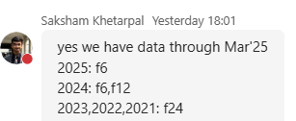
year | f6 | f12 | f18 | f24 | f30 | f36 |  | r6 | r12 | r18 | r24 | r30 | r36 | r_na
2025 | 165,630 | 79,116 | 15,237 | 0 | 0 | 0 | f6 | 1,840,673 | 838,690 | 497,423 | 328,056 | 234,987 | 176,432 | 2,540,205
2024 | 159,532 | 119,421 | 92,488 | 50,206 | 11,883 | 0 | f12 | 1,101,288 | 577,252 | 368,363 | 253,928 | 186,696 | 142,627 | 934,440
2023 | 168,742 | 123,533 | 95,333 | 76,645 | 63,431 | 36,133 | f18 | 701,273 | 401,037 | 268,927 | 191,388 | 143,431 | 111,997 | 463,906
2022 | 165,484 | 121,850 | 94,229 | 75,364 | 62,569 | 53,138 | f24 | 473,201 | 286,087 | 198,799 | 144,477 | 110,758 | 88,388 | 264,802
2021 | 179,302 | 133,332 | 103,750 | 83,872 | 69,714 | 59,010 | f30 | 330,612 | 207,597 | 147,583 | 110,007 | 86,478 | 69,711 | 166,224
Subtotal | 838,690 | 577,252 | 401,037 | 286,087 | 207,597 | 148,281 | f36 | 230,704 | 148,281 | 108,454 | 82,810 | 65,778 | 53,239 | 107,434
 |  |  |  |  |  |  | f_na | 356,627 | 82,072 | 31,403 | 14,994 | 8,825 | 5,608 | 2,639,036
 | Total Patients = f6 2025 + f12 2024 + f24 2023 + f24 2022 + f24 2021
 |  | 520,932

 | Total Patients | Which had a claim in every semester in
 |  | look back journey - 2 semesters
 |  | Look Forward - 4 semesters (of available journey)

 |  | 520,932 |  | Approach not 100% right, but still directionally this makes sense

Execution Logs
2nd June | Basic QCs
 | Sufficient Look Forward Filter |  |  | Quick Summaries
 | Handle NPI Col
 | Dim HCP handling |  | 1 | Sufficient Look Forward Filter

3rd June | Speciality QC |  |  | # Patients in Old Data Shared on Friday Afternoon | 234,347
 | Getting Speciality group added | delay |  | # Patients in New Data Shared on Friday Evening | 187,236
 | VDI stopped working |  |  | Difference | 47,111
 | Referral Code setup -1
 | HCP Universe Validation
 |  |  | Old Data | Min Pso AD SebD Diagnosis Date | 2021-01-01
4th June | HCP Universe Validation |  |  | Max Pso AD SebD Diagnosis Date | 2025-04-01

 |  |  |  | Dropping Additional Patients for Look Forward Filter | 25,636

 |  |  |  | Final #Patients | 161,600

 |  |  | 2 | Working with NPI column

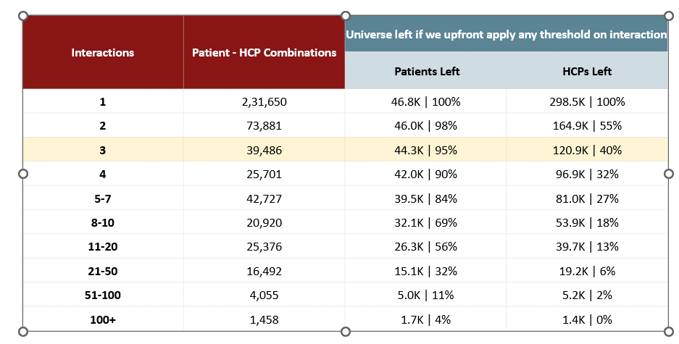
 |  |  |  | PROVIDER_ID
 |  |  |  | REFERRING_PROVIDER_ID
 |  |  |  | BILLING_PROVIDER_ID
 |  |  |  | FACILITY_PROVIDER_ID

 |  |  | 3 | Universe Summary

 |  |  |  | No of HCP Interactions
 |  |  |  | No of Patients per HCP - later on after creating ref.

 |  |  |  | Removing HCPs having only 1 patient Interaction

PCP, Pediatrics, NP/PA, Others, Rheumatology, Obs & Gyne, Allergy & Immunology |  |  |  | Non Derms, Derms NP/PA

 |  |  | * Consider referrals only for Derm -> Derm, Derm NP/PA -> Derm NP/PA cases (2 cases)
 |  |  | * Consider referrals only for Derm < - > Derm NP/PA cases

Sheet2
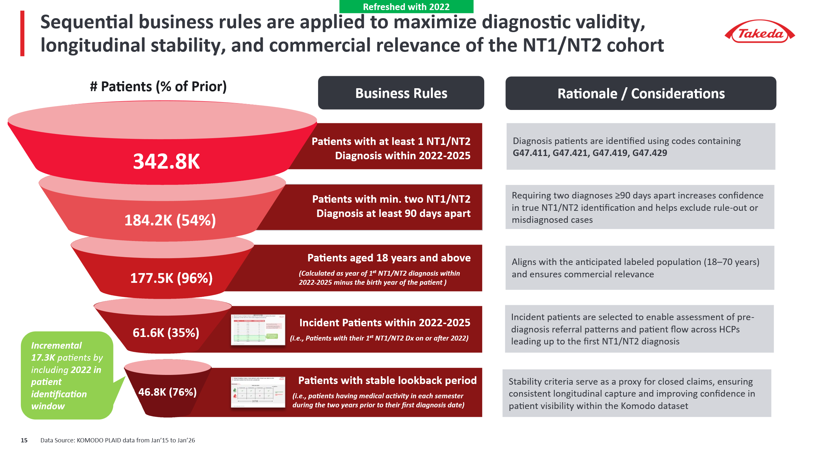
 | Referral Network
Data Requirement
 | 1 | Patient Cohort - Claims Data |  | Decision point | This represents the set of patients whose data will be considered in referral analytics project
 | 2 | HCP Universe | HCP- HCO Affiliation, ZIP, Territory, Demographic, Parent account, Corporate account |  |  | Data Pull

 | Patient level | Market Basket | Relevant diagnosis codes | ICD, NDC and CPT

 |  |  | 1st Alignment | Patient Cohort
 |  |  | 2nd Alignment | Filtered Patients

